Histogram
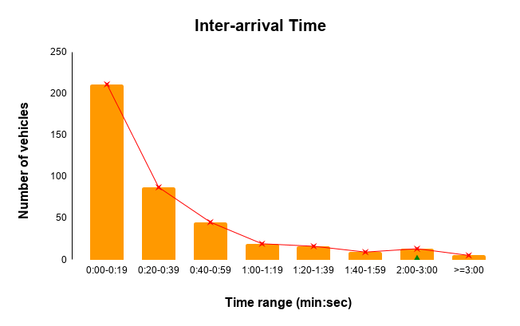
min:sec | no.of vehicles | Line
0:00-0:19 | 211 | 211
0:20-0:39 | 87 | 87
0:40-0:59 | 45 | 45
1:00-1:19 | 19 | 19
1:20-1:39 | 16 | 16
1:40-1:59 | 9 | 9
2:00-3:00 | 13 | 13 | 0
>=3:00 | 5 | 5

Total | 405

